Introduction and Key
The Azure Security and Compliance Blueprint - HIPAA/HITRUST Health Data and AI
Customer Responsibility Matrix
The Azure Security and Compliance Blueprint - HIPAA/HITRUST Health Data and AI provides an end-to-end foundation for organizations to ingest, store, analyze and interact with sensitive and regulated data. The blueprint provides a Secure Technical Implementation Guide (STIG) and automation to help deploy a Health Insurance Portability and Accountability Act (HIPAA) and Health Information Trust Alliance (HITRUST) ready environment. This Customer Responsibility Matrix (CRM) is designed to provide users an understanding on how individual controls where achieved in HITRUST using the blueprint. Microsoft Azure has retained a HITRUST CSF certification since 2015, covering a diverse collection of its cloud service offerings. Azure recognizes the importance of the certification to its healthcare customer base, and the criticality of attesting to HITRUST compliance as a Business Associate (BA) of its customers. Azure has an assessment object, undertakes a full assessment every year, and offers certified services under its Business Associate Agreement (BAA) with healthcare customers. - Azure services are certified under Version 8.1 - The Blueprint considers Azure’s requirements under Version 9.0 It is essential that the CRM controls be approached shared responsibility in mind. (http://aka.ms/sharedresponsibility)
 | Shared Responsibility
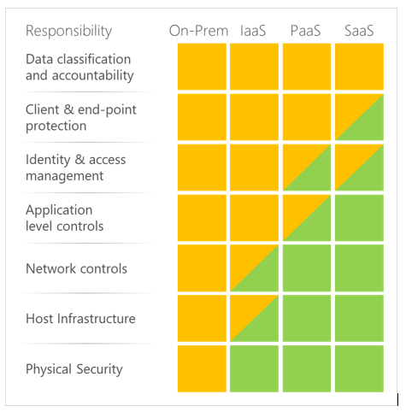

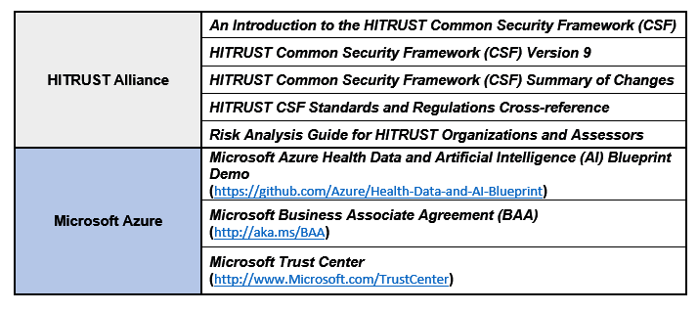

The role of the blueprint, and this CRM is to provide guidance to controls that are owned and managed by the customer.

